Maison du monde
S.N. | Product Image | Product code | Product Ref | Product Name
1 | 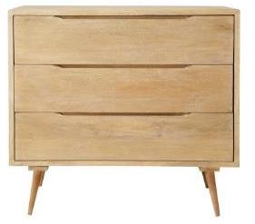 | BT0069C | 129829 | commode trocadero
2 | 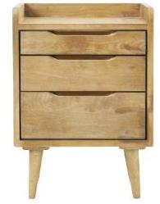 | BT0113F | 129830 | chevet trocadero
3 | 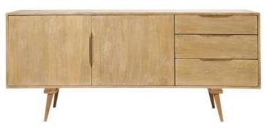 | BT0526R | 130151 | buffet trocadero
4 | 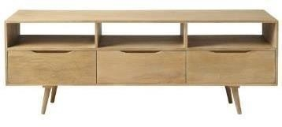 | BT0191U | 130152 | Meuble TV TROCADERO
5 | 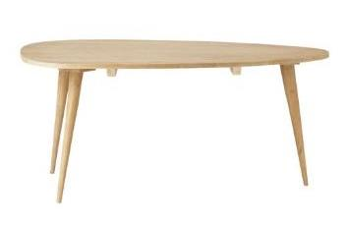 | BT0265C | 131551 | TROCADERO - Table basse L 100 cm
6 | 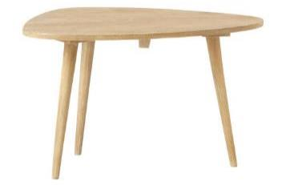 | BT0269X | 131552 | TROCADERO - Table basse L 62 cm
7 | 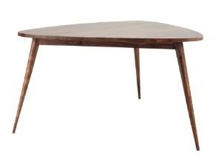 | BT0275T | 146289 | Table à manger vintage ANDERSEN
8 | 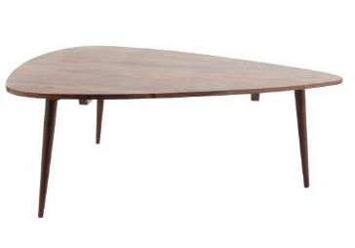 | BT0277J | 146303 | Andersen coffee table triangular
9 | 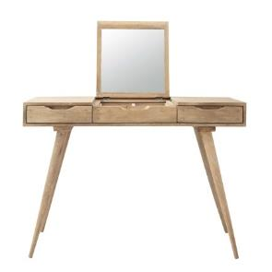 | BT0275Q | 147062 | TROCADERO – Coiffeuse
10 | 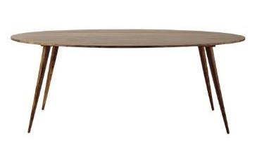 | BT0278P | 155800 | TABLE DINER OVALE ANDERSEN 200
11 | 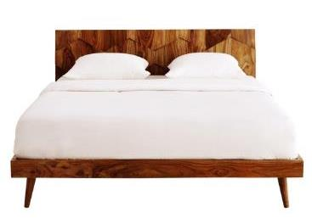 | BT0792N | 155836 & 155837, FINAL -155835 | QUADRA BED 160 (Mattress size 161x201 cm HARDWARE TO HARDWARE)
12 | 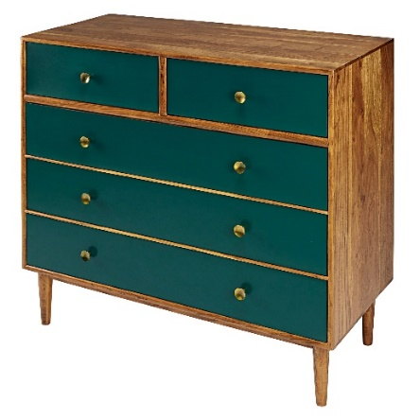 | BT0038I | 165885 | CMDE IKAT VERT
13 | 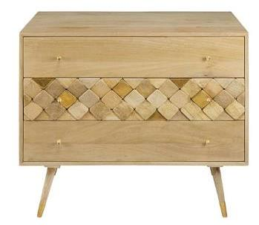 | BT0073W | 166027 | COMMODE SALOME
14 | 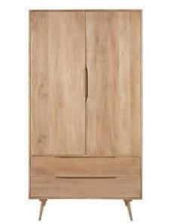 | BT0127L | 166076 | dressing trocadero
15 | 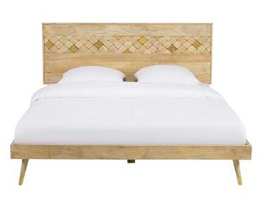 | BT0793W | 166591 & 166592, FINAL REF.166585 | SALOME bed 160 (matress size 161X201cms HARDWARE TO HARDWARE)
16 | 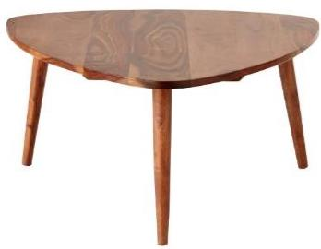 | BT0291C | 174746 | Andersen Coffee table small
17 | 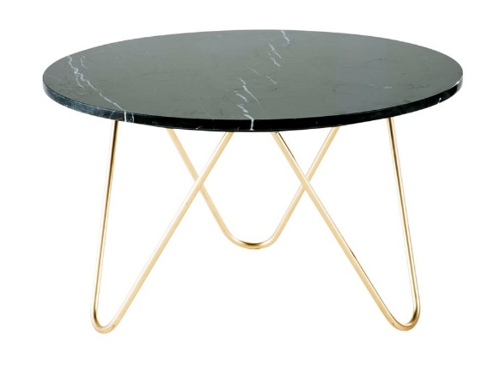 | BT0421J | 175421 | TBL B EAGLE MARBRE NOIR
18 | 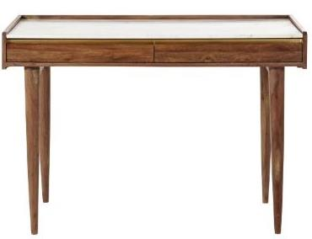 | BT0295D | 175812 | CAPPUCCINO 2 Dwr. Desk
19 |  | BT0138O | 175967 | CAPPUCCINO TV Cabinet
20 | 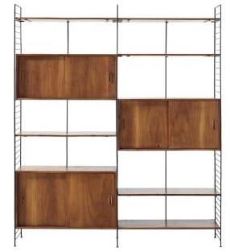 | BT0134X | 176055,176056,176057 & 176058 final ref=176059 | YUCCA open shelf with 3 side board having 2 sliding doors
21 | 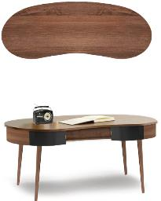 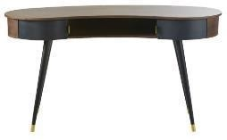 | BT0304U | 188492 | BUREAU STERLING
22 | 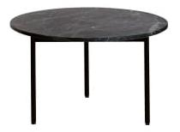 | BT0309Q | 188523 | TABLE BASSE ENDOR 60 NOIRE
23 | 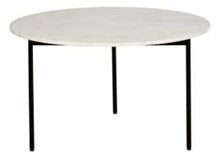 | BT0305T | 188524 | TABLE BASSE ENDOR 80 BLANCHE
24 | 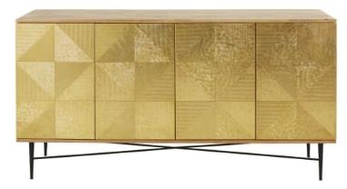 | BT0546A | 199574 | BUF MOSCOVA
25 | 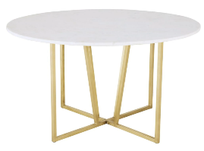 | BT0336H | MARBLE TOP-199666, LEGS:-199667 FINAL REF-199668 | Dining table White marble top Brass Metal for structure
26 | 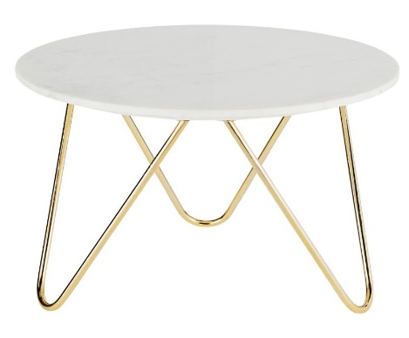 | BT0421I | 209589 | TBL B RONDE EAGLE BLANC
27 |  | BT0327T | 210164 | TBL B CIOTTOLO
28 | 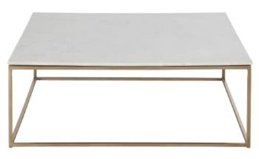 | BT0348G | 216995 | TBL B MARBLE LAITON
29 | 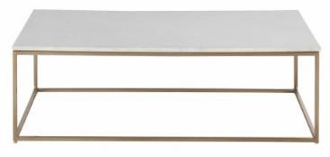 | BT0348I | 216997 | TBL B MARBLE RECT LAITON
30 | 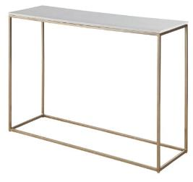 | BT0348E | 217248 | CNSL MARBLE BLANC LAITON
31 | 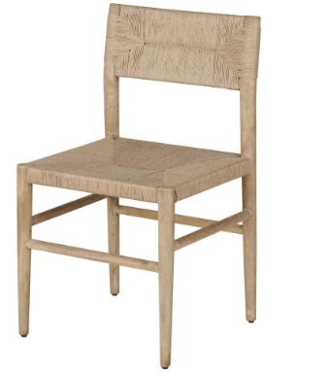 | BT1078J | 219735 | MAZETTE dining chair SET OF 2
32 | 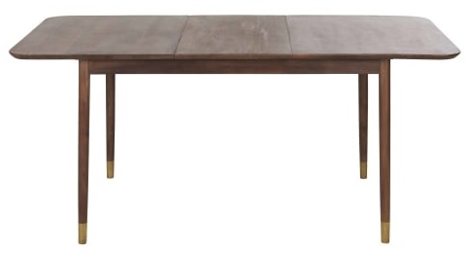 | BT0352D | 219754 | TAD EXT PARISCHIC
33 |  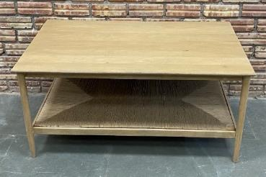 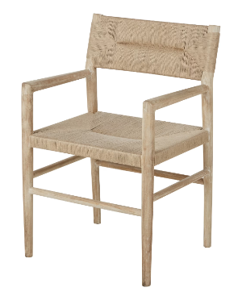 | BT1086O | 238545 | MAZETTE chair with armrests
34 | 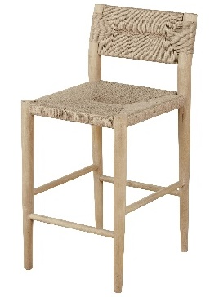 | BT2306D | 238826 (SET OF 2 PACKING) | MAZETTE COUNTER CHAIR
36 |  | BT0038J | 233928 | SEMAINIER 5T IKAT
37 | 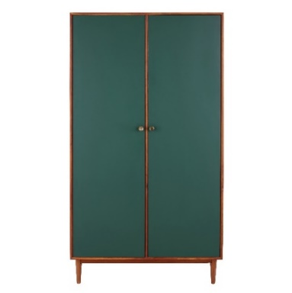 | BT0496F | 241833 | ARMOIRE IKAT
38 | 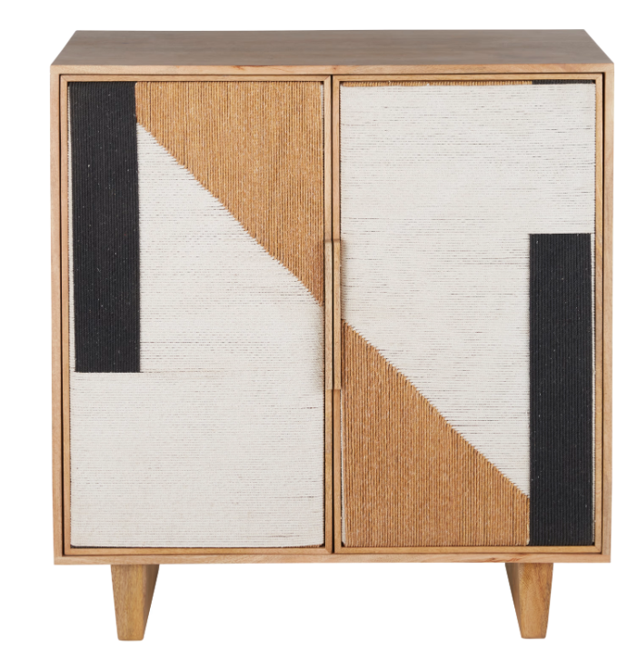 | BT0408T | 242651 | CBNT SWAHI
39 | 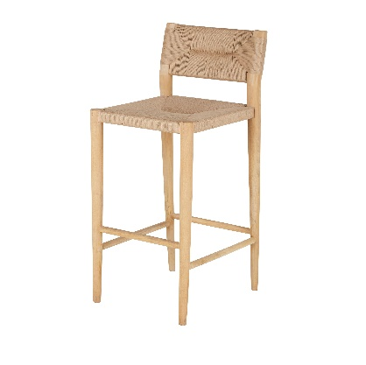 | BT2134K | 243097 | MAZETTE BAR CHAIR
40 | 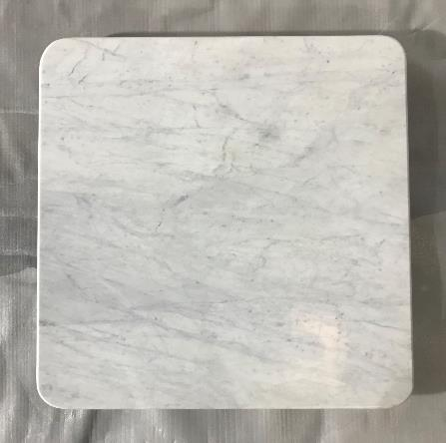 | BT0429C | 243749 | PRO PLT CAR ELEMENT 70 MB B_1
41 | 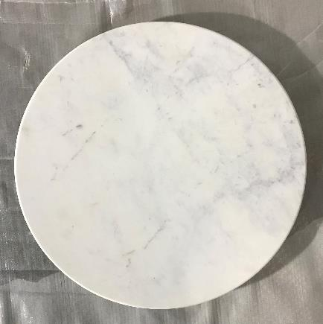 | BT0429A | 243757 | PRO PLT RD ELMENT 70 MRB BL_2
42 | 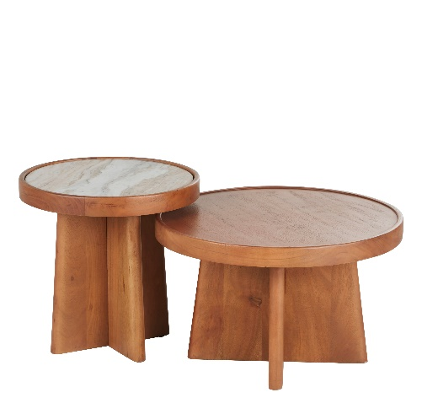 | BT0450P | 246437 | SET TBL B BABKHA
43 | 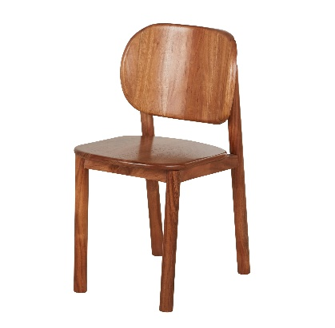 | BT2146Q | 249729 | CHS MALAKA BOIS GRAVE
44 | 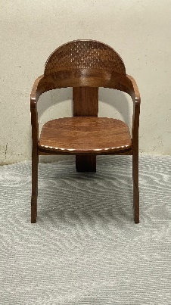 | BT2168M | 250276 | PRO CHS YROM
45 |  | BT0035Q | 252087 | CMDE HAUTE-CANOPEE
46 | 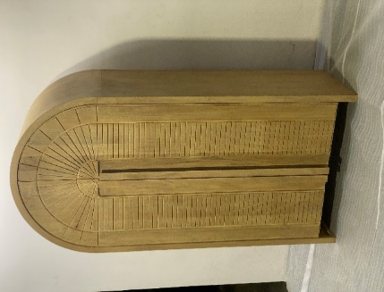 | BT0489C | 252092 | ARMOIRE CANOPEE
47 | 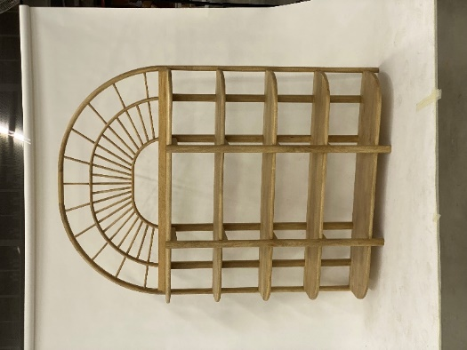 | BT0489B | 252101-ETG CANOPEE, 252102-HAUT ETG CANOPEE | CANOPEE BOOK SHELF
48 | 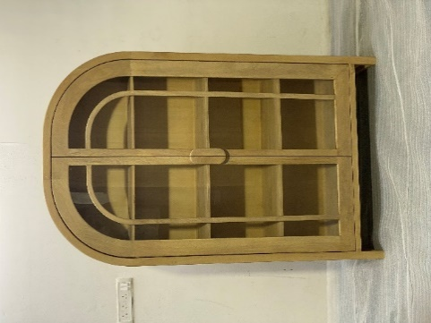 | BT0484H | 252104 | VITRINE CANOPEE
49 | 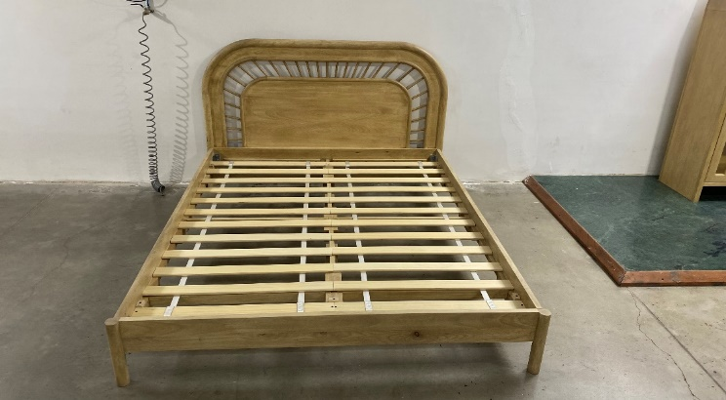 | BT0813H | 252111-TDL+PIED LIT CANOPEE 160, 252112-CTE+LATTES LIT CANOPEE 160 | CANOPEE BED 160 CMS
50 |  | BT0485J | 252121 | MTV BLOC MARIS
51 |  | BT0484I | 252123 | TBL B CANOPEE
52 | 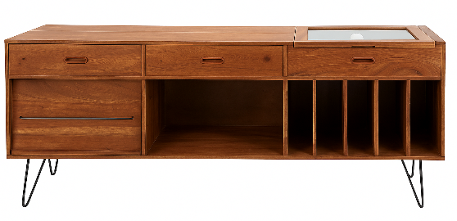 | BT0536F | 253297 | BUF 3T 1P GIMMICK VINYLE_2

